Sheet1
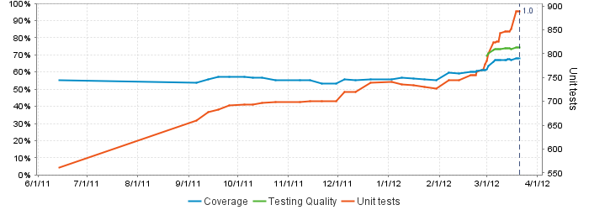
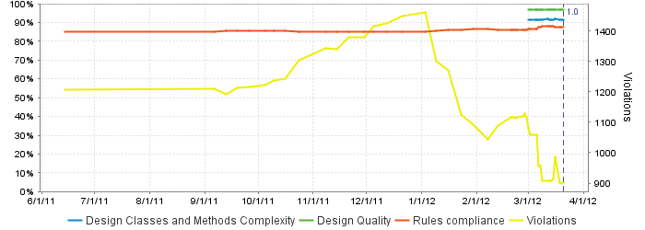
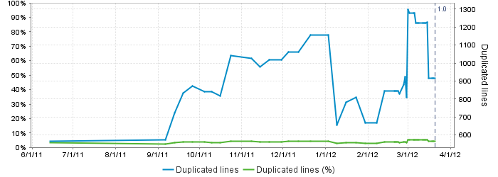
Code Test Coverage By Package
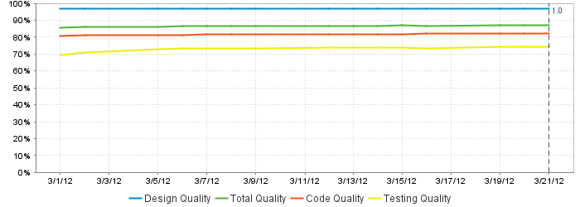
MAP StampStorage Programming Metrics 03/22/2012
StampStorageWeb | 98.60%
MesParser | 17.10%
MesProxy | 41.20%
StampStorageDomain | 84.30%
StampStorageService | 92.30%
Device | 88.30%
Total Code Coverage | 67.90%

